Sheet1
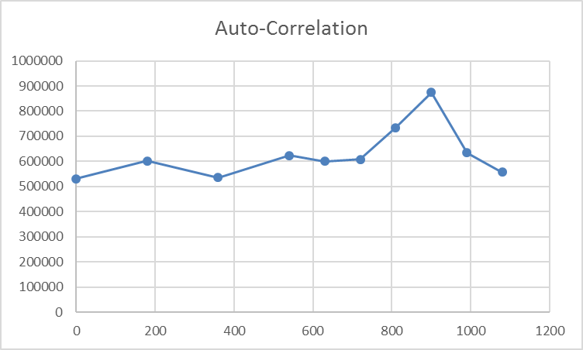
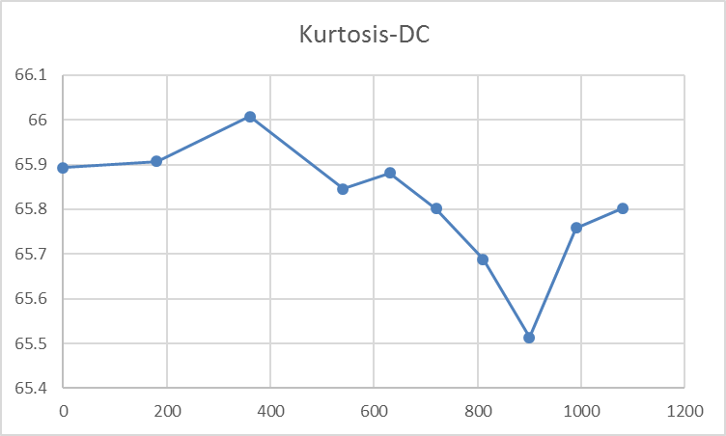
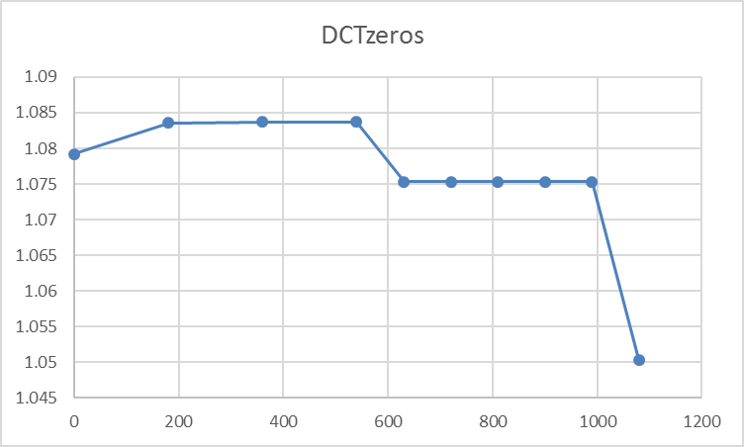
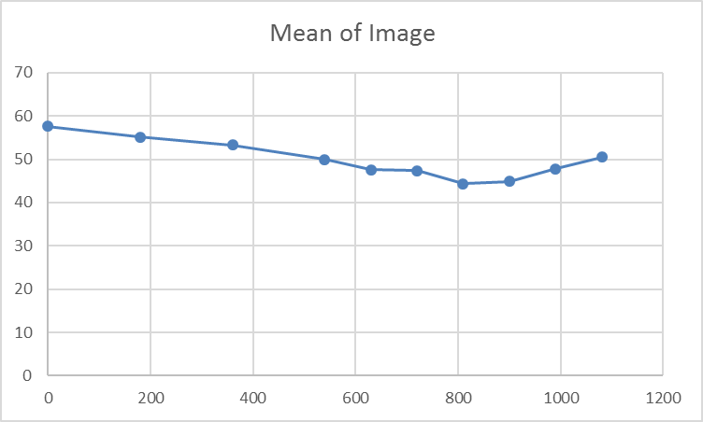
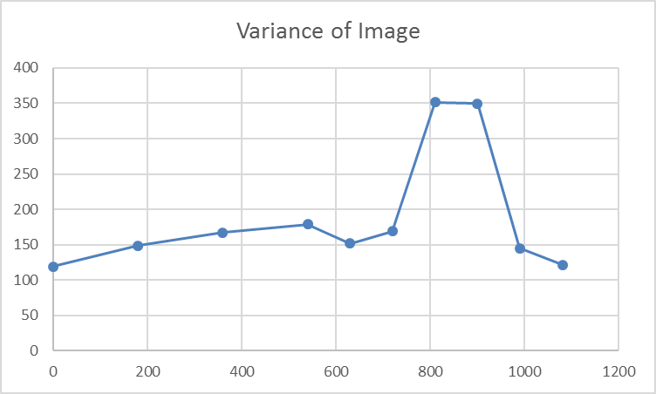

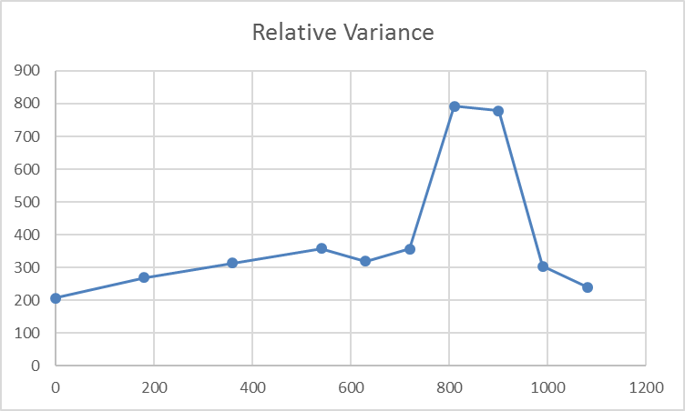
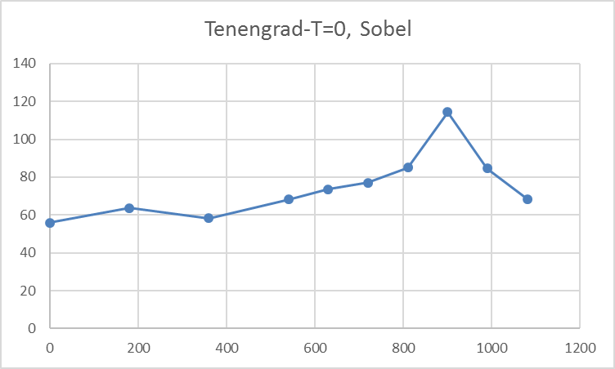
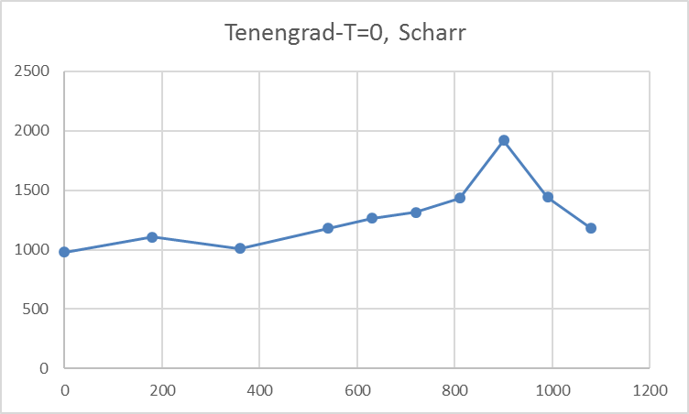
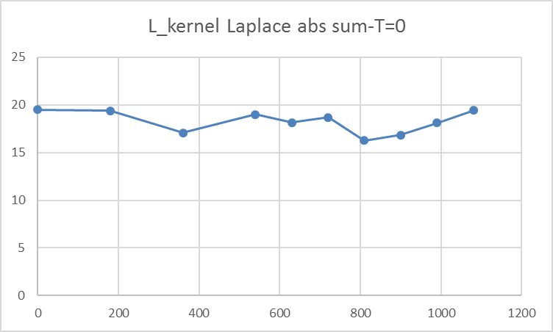

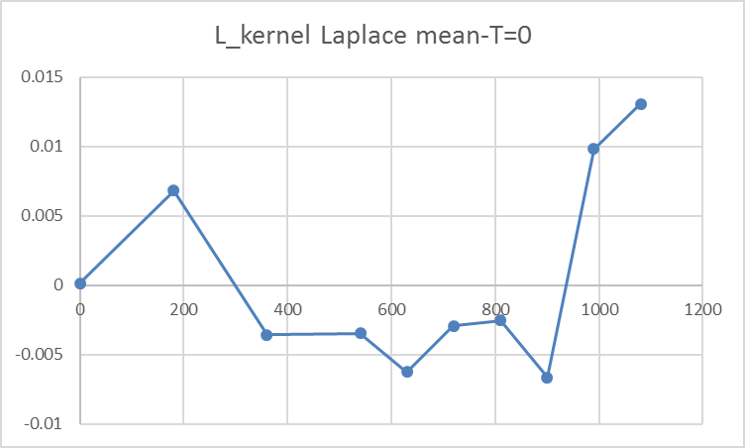
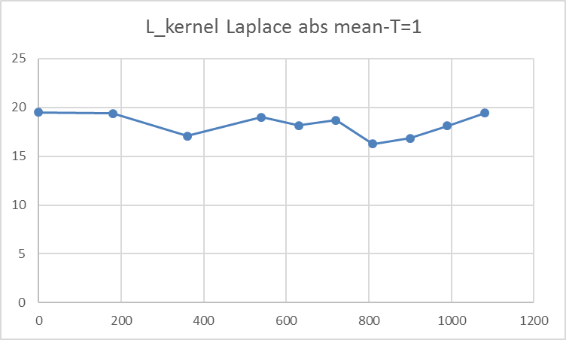
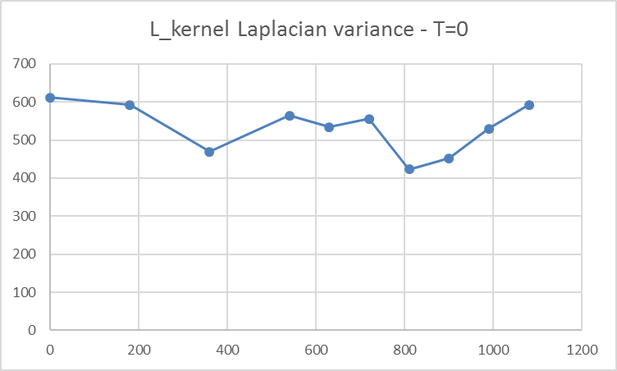
 | L_kernel Laplacian abs variance - T=1
0 | 230.93323952
180 | 216.25240328
360 | 178.59763518
540 | 203.80563646
630 | 203.79822009
720 | 206.29810782
810 | 159.32234192
900 | 168.08417882
990 | 200.87215273
1080 | 215.5067636

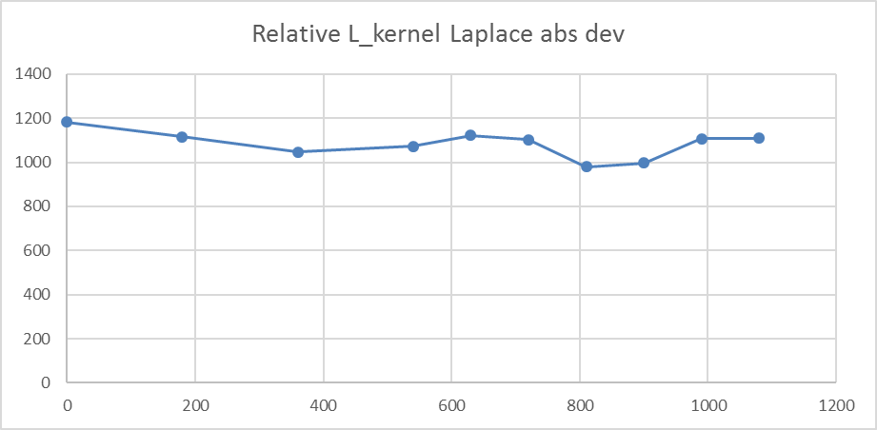
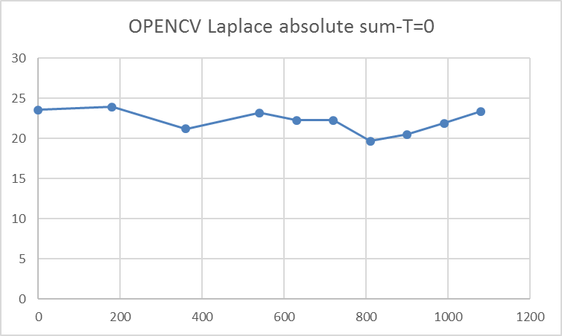
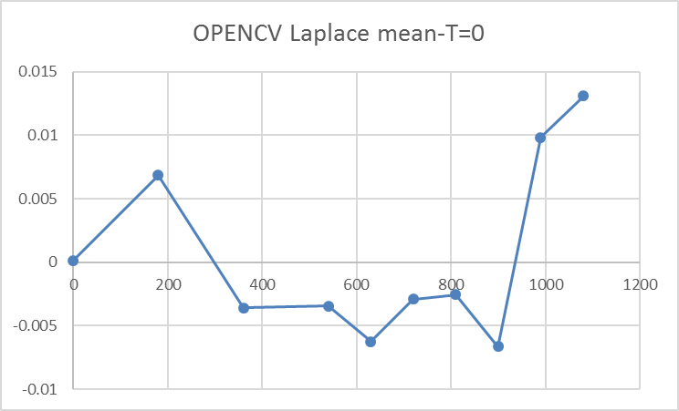
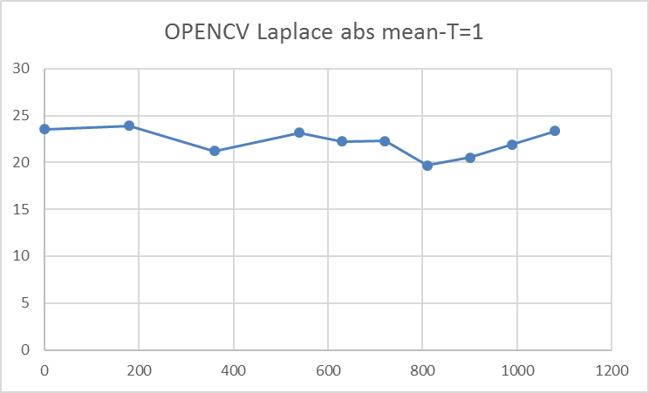

 | OPENCV Laplacian variance - T=0
0 | 904.21041665
180 | 909.72449754
360 | 730.23807312
540 | 853.67414174
630 | 817.4510026
720 | 801.07505652
810 | 631.91802741
900 | 681.70946111
990 | 791.68720804
1080 | 877.39012824
 | OPENCV Laplacian abs variance - T=1
0 | 349.86546488
180 | 337.57745452
360 | 280.90021555
540 | 316.27663621
630 | 322.25526447
720 | 305.19233632
810 | 244.43059926
900 | 261.07504232
990 | 312.21131876
1080 | 332.46875403
 | OPENCV Laplace Relative dev
0 | 13307969.793
180 | -20393557.824
360 | -24740443.051
540 | -13079216.042
630 | -27343361.929
720 | -24887848.464
810 | -10265742.473
900 | 8053189.0832
990 | 6704832.0247
1080
 | OPENCV abs Laplace Relative dev
0 | 1485.9733718
180 | 1411.3007993
360 | 1325.1515874
540 | 1364.3295426
630 | 1448.143351
720 | 1370.5160713
810 | 1241.7288188
900 | 1272.9546479
990 | 1425.8216777
1080 | 1424.242188

 | SMD
0 | 237.57884115
180 | 236.63834635
360 | 238.49778646
540 | 235.97018229
630 | 236.15540365
720 | 237.09016927
810 | 236.0514974
900 | 237.69440104
990 | 237.30436198
1080 | 236.98300781
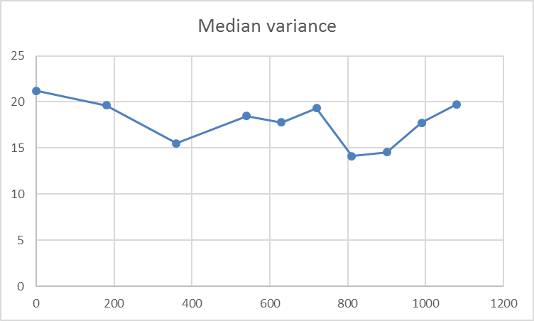
 | Contrast
0 | 0.043562628361
180 | 0.073181170976
360 | 0.068432733735
540 | 0.078863422548
630 | 0.097861301109
720 | 0.10852567499
810 | 0.12569524784
900 | 0.12485416992
990 | 0.08737455673
1080 | 0.067629660726
 | squared horizontal gradient
0 | 62
180 | 61
360 | 54
540 | 62
630 | 60
720 | 62
810 | 53
900 | 55
990 | 61
1080 | 64

 | squared vertical gradient
0 | 44
180 | 48
360 | 41
540 | 46
630 | 42
720 | 41
810 | 37
900 | 38
990 | 40
1080 | 44
 | Robert gradient
0 | 12.281046549
180 | 11.136889648
360 | 8.7278564453
540 | 11.146207682
630 | 10.452197266
720 | 12.201513672
810 | 9.3783121745
900 | 10.254402669
990 | 11.079882812
1080 | 12.111303711
 | Prewitt gradient
0 | 19.907584635
180 | 22.5909139
360 | 20.792867025
540 | 25.027583822
630 | 26.441276042
720 | 27.334077962
810 | 32.800541178
900 | 42.487361654
990 | 29.893558757
1080 | 24.328120931
 | Sobel kernel size 5
0 | 3235.961556
180 | 4065.9411702
360 | 4257.564974
540 | 5588.4067952
630 | 6319.9513509
720 | 6721.6168783
810 | 9401.1295898
900 | 12054.302043
990 | 7496.5854248
1080 | 5422.3192057

 | Range of histogram
0 | 664
180 | 622
360 | 600
540 | 515
630 | 476
720 | 456
810 | 574
900 | 570
990 | 486
1080 | 572
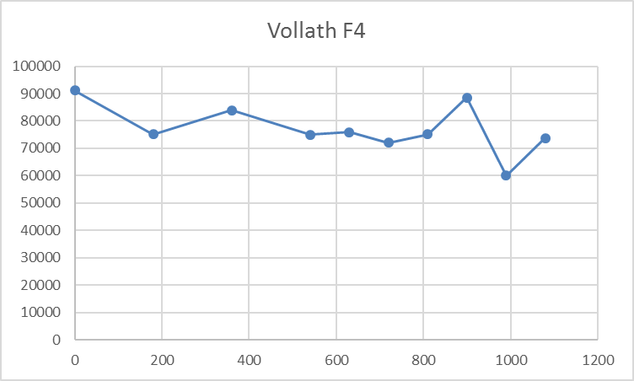
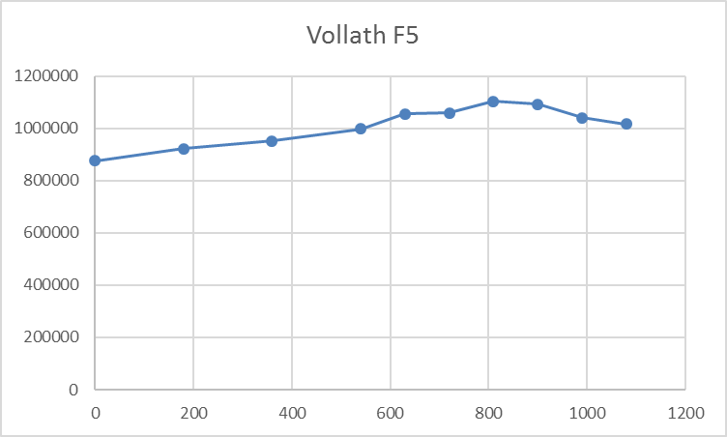
 | Mendelsohn and Mayall
0 | 900018
180 | 861196
360 | 833427
540 | 782250
630 | 746853
720 | 743419
810 | 694340
900 | 704633
990 | 750263
1080 | 791067

